Zero Hunger | Zero Waste
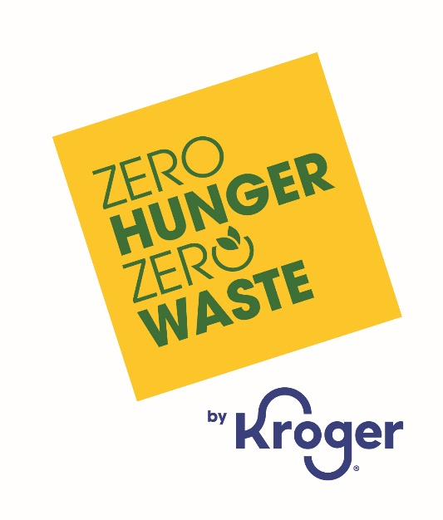
2024 Progress Highlights
We recognize the unique role Kroger plays in the future of food. We aim to operate responsibly, live Our Purpose and fulfill our Zero Hunger | Zero Waste impact plan to advance positive changes for people and our planet. Additional details about these and other goals and metrics are shared in the People, Planet and Governance sections of our full Responsible Business report,

People |  |  | Planet

Goals & Metrics | 2024 | Status | Goals & Metrics | 2024 | Status
Social Responsibility |  |  | Environmental Impact
Food Access & Affordability |  |  | Climate Impact
Introduce new quality affordable Our Brands products | 900+ | On track | Achieve a 30% cumulative reduction in Scope 1 & 2 GHG emissions from 2018 baseline | -14.9% | On track
Annual meals donated to our communities—food and charitable donations | 518M | On track | Waste & Circularity
Donate 3 billion meals to communities by 2025 (2017 baseline)—food and donations | 3.9B meals | Achieved ahead of schedule | Achieve 90%+ waste diversion from landfill company-wide | 85% | Significant progress
Food Rescue Donations |  |  | Reduce total food waste generated in retail stores by 50% cumulatively (2017 baseline) | 4% | Area of focus
Donate surplus fresh food from stores and facilities to our communities through Kroger’s Zero Hunger | Zero Waste Food Rescue program | 119M pounds | On track | Achieve 95% diversion of remaining retail food waste from landfill | 58% | Area of focus
100% of retail stores actively donating surplus fresh food by 2025 | 100% | Achieved ahead of schedule | 95%+ of retail stores participating in food waste recycling programs | 97% | Achieved ahead of schedule
Charitable Giving |  |  | Seek to achieve 100% recyclable, compostable and/or reusable Our Brands packaging | 52% | On track
Total annual charitable giving to our communities | $346M | On track | Increase recycled content in packaging so Our Brands portfolio collectively contains 10%+ | 10% | Achieved
Share of total charitable giving donated to national and local organizations helping end hunger | $276M | On track | Biodiversity & Resource Conservation
 |  |  | Percentage of Seafood department products aligned with Kroger’s Seafood Sustainability Policy | 97%+ | On track
 |  |  | Percentage of palm oil, beef, soy and paper volumes sourced for manufacturing plants and meat counter meeting no- or low-deforestation risk definitions | 94%+ | On track

